Wheels
 |  |  | S = Standard Equipment A = Available -- (dashes) = Not Available D = ADI Available ■ = Included in Equipment Group □ = Included in Equipment Group but upgradeable * = Indicates availability of feature on multiple models.
Orderable RPO Code | Ref. Only RPO Code | Wheels | Description | 1RS 1TR58 1RS | LT 1TU58 1LT | 2RS 1TU58 2RS | ACTIV 1TU58 1SA
 | RQH | 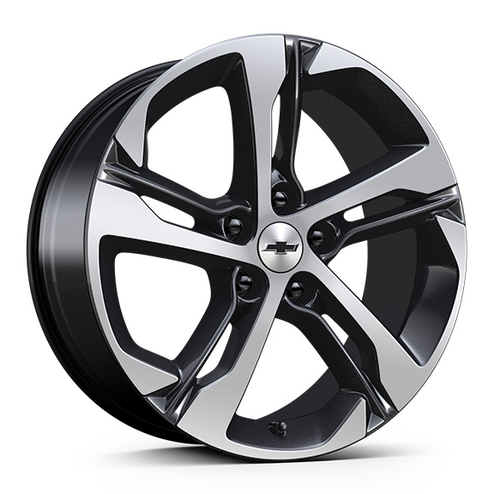 | Wheels, 18" (45.7 cm) Black-painted machined aluminum | S | -- | -- | --
 | Q7D | 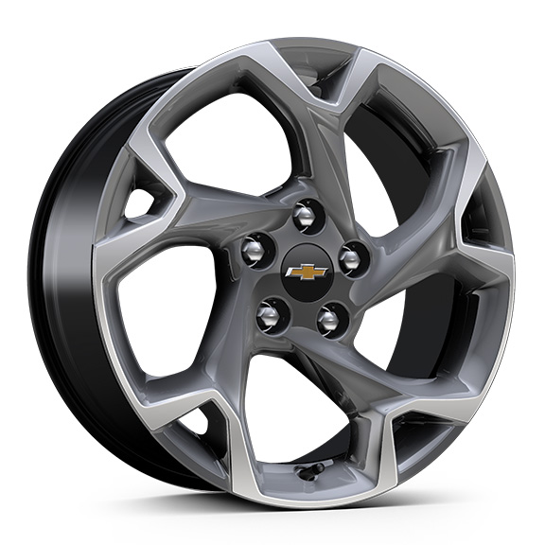 | Wheels, 17" (43.2 cm) Grey-painted machined aluminum | -- | S | -- | --
 | MZD | 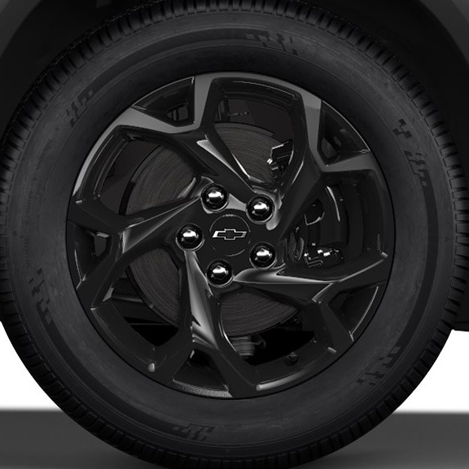 | NEW! Wheels, 17" (43.2 cm) High Gloss Black alloy with Black bowtie centre caps 1. Included and only available with (WJP) Midnight Edition. | -- | A1 | -- | --
 | RQN | 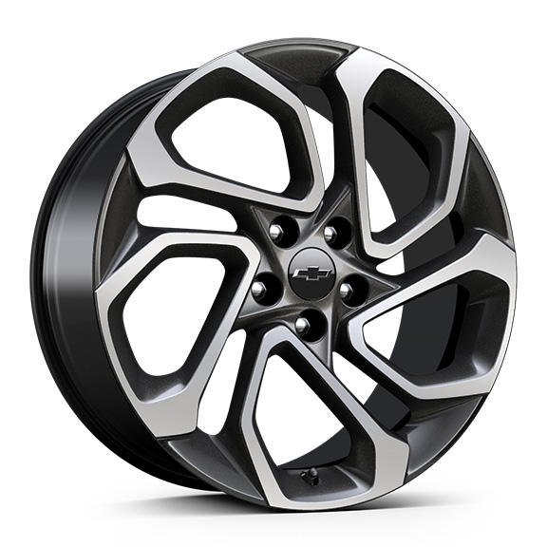 | Wheels, 19" (48.3 cm) Black-painted machined aluminum | -- | -- | S | --
 | RSZ | 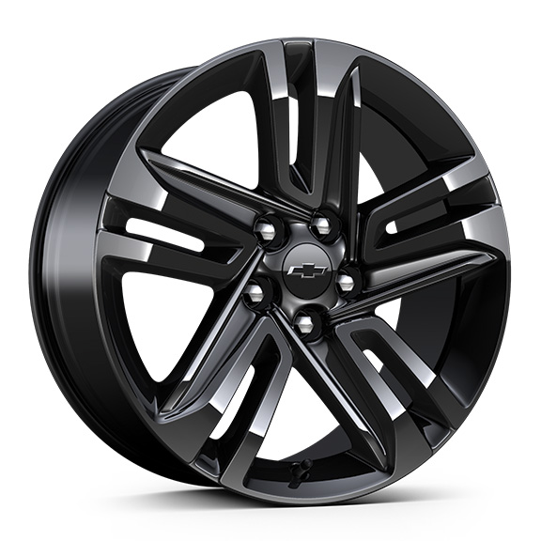 | Wheels, 18" (45.7 cm) Black-painted aluminum | -- | -- | -- | S

